Project4467
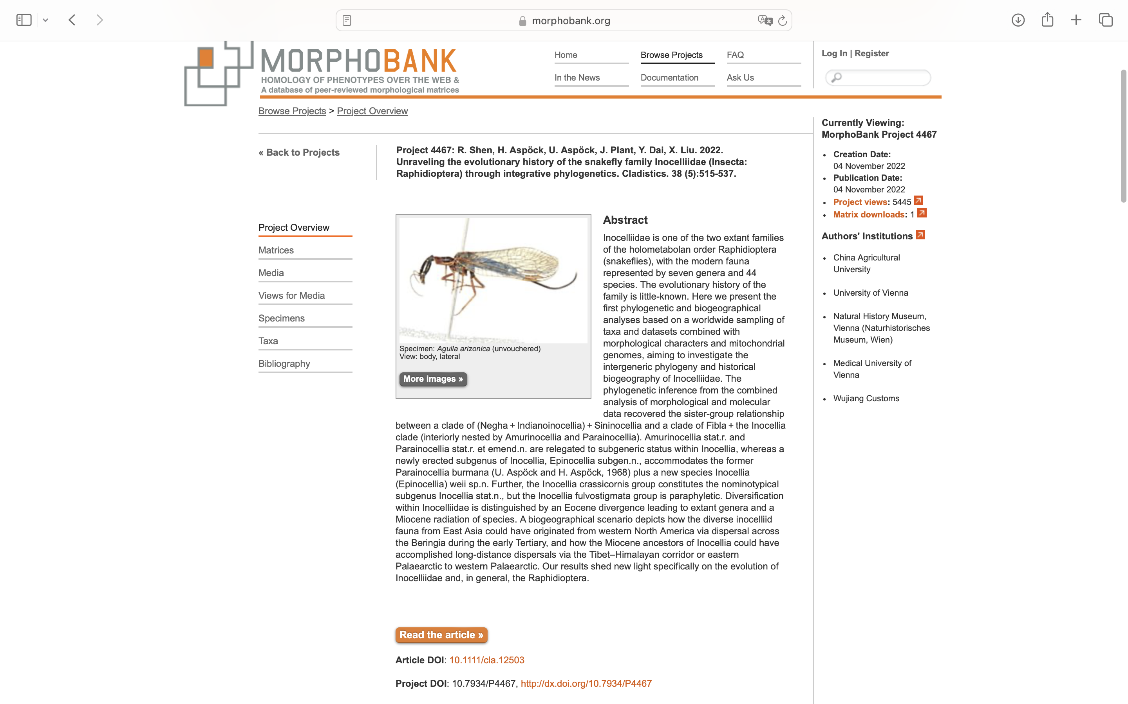
Charlabels | Character Pattern | Unseen States
[1] 'Flagellum of antennae in male' | Transformational | YES
[2] 'Ocelli' | Neomorphic | NO
[3] 'Vertex' | Transformational | YES
[4] 'Head coloration in female' | Transformational | YES
[5] 'Pronotum color' | Transformational | YES
[6] 'MA vein in hind wing' | Neomorphic | NO
[7] 'MA vein in hind wing - 2' | Transformational | YES
[8] 'Pterostigma color in male' | Transformational | YES
[9] 'Spiraculum 8' | Transformational | YES
[10] 'Ring formed by tergum and sternum 9' | Transformational | YES
[11] 'Ring formed by tergum and sternum 9 - 2' | Transformational | NO
[12] 'Gonocoxite 9' | Transformational | YES
[13] 'Bristle tuft on inner portion of gonocoxite 9:' | Neomorphic | NO
[14] 'Gonocoxite 9 posteroventrally with an additional lobe' | Neomorphic | NO
[15] 'Gonostylus 9' | Neomorphic | NO
[16] 'Gonostylus 9 - 2' | Transformational | YES
[17] 'Gonostylus 9 - 3' | Transformational | NO
[18] 'Gonostylus 9 - 4' | Transformational | NO
[19] 'Shape of gonostylus 9' | Transformational | YES
[20] 'Shape of gonapophyses 9' | Transformational | YES
[21] 'Direction of gonapophyses 9' | Transformational | NO
[22] 'Complex of gonocoxites + gonapophyses + gonostyli 10' | Transformational | NO
[23] 'Complex of gonocoxites + gonapophyses + gonostyli 10 - 2' | Transformational | NO
[24] 'Complex of gonocoxites + gonapophyses + gonostyli 11' | Transformational | YES
[25] 'Complex of gonocoxites + gonapophyses + gonostyli 11 with ventral projections' | Neomorphic | NO
[26] 'Complex of gonocoxites + gonapophyses + gonostyli 11 in lateral view' | Transformational | NO
[27] 'Complex of gonocoxites + gonapophyses + gonostyli 11 - 2' | Transformational | YES
[28] 'Complex of gonocoxites + gonapophyses + gonostyli 11 - 3' | Transformational | NO
[29] 'Complex of gonocoxites + gonapophyses + gonostyli 11 - 4' | Transformational | NO
[30] 'Complex of gonocoxites + gonapophyses + gonostyli 11 - 5' | Transformational | YES
[31] 'Complex of gonocoxites + gonapophyses + gonostyli 11 - 6' | Transformational | NO
[32] 'Endophallus' | Transformational | NO
[33] 'Endophallus - 2' | Transformational | NO
[34] 'Endophallus - 3' | Transformational | NO
[35] 'Endophallus - 4' | Transformational | NO
[36] 'Endophallus - 5' | Transformational | YES
[37] 'Shape of serratulum' | Transformational | YES
[38] 'Serratulum' | Transformational | NO
[39] 'Serratulum - 2' | Transformational | NO
[40] 'Ectoproct in lateral view' | Transformational | YES
[41] 'Incision on posterior margin of sternum 7' | Neomorphic | NO
[42] 'Posterior margin of sternum 7' | Transformational | NO
[43] 'Tergum 8' | Transformational | YES
[44] 'Tergum 8 ventrocaudally' | Transformational | NO
[45] 'Tergum 8 anteriorly' | Transformational | YES
[46] 'Fused gonocoxites 8' | Transformational | NO
[47] 'Complex of bursa copulatrix' | Transformational | YES
[48] 'Sclerotized plates of atrium bursae' | Transformational | NO

